Warranties
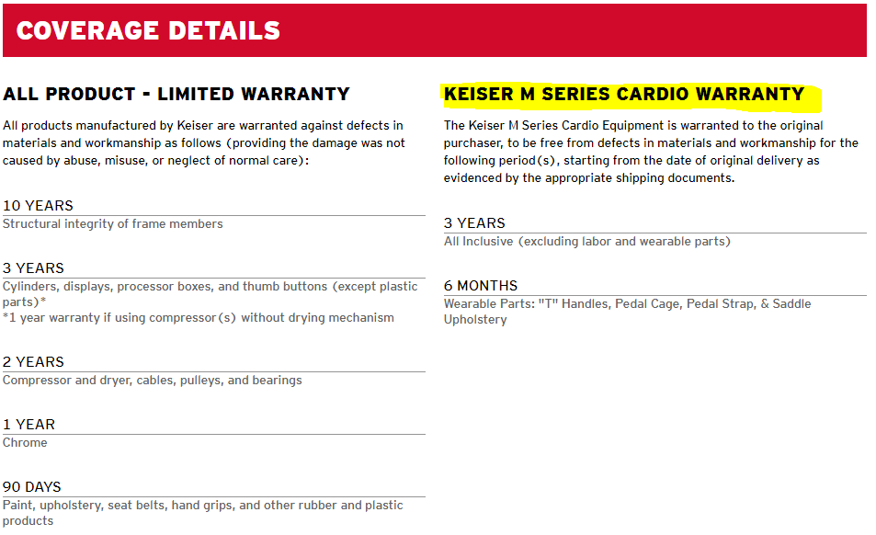
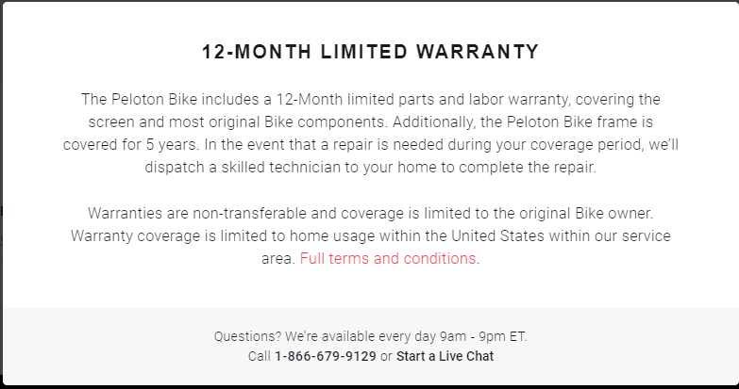
Peloton Warranty | Keiser Warranty
https://www.onepeloton.com/shop/bike/warranty | https://www.keiser.com/support-categories/warranty-details

